FINANCIAL
 | NJ MUTUAL FUND
 | UNAUDITED FINANCIAL RESULTS OF THE SCHEMES OF NJ MUTUAL FUND FOR THE PERIOD ENDED 31st March 2023 (Pursuant to the provisions of Regulation 59 of the Securities and Exchange Board of India(Mutual Funds) Regulations, 1996)

 | Sr. No. | Particulars |  | NJ BALANCED ADVANTAGE FUND (An Open-ended Dynamic Asset Allocation Fund) | NJ Arbitrage Fund (An Open-ended Scheme Investing in Arbitrage Opportunities) | NJ Overnight Fund (An Open-ended Debt Scheme Investing in Overnight Securities)
 |  |  |  | 01.10.2022 to 31.03.2023 | 01.10.2022 to 31.03.2023 | 01.10.2022 to 31.03.2023

 | 1.1 | Unit Capital at the beginning of the half - year period | (Rs in Crores) | 4,982.90 | 49.32 | 24.41
 | 1.2 | Unit Capital at the end of the period | (Rs in Crores) | 4,058.92 | 102.07 | 36.51

 | 2.0 | Reserves & Surplus | (Rs in Crores) | -63.21 | 4.08 | 1.44

 | 3.1 | Total Net Assets at the beginning of the half - year period | (Rs in Crores) | 4,850.79 | 49.76 | 24.63
 | 3.2 | Total Net Assets at the end of the period | (Rs in Crores) | 3,995.70 | 106.15 | 37.95

 | 4.1 | NAV at the beginning of the half year period | (Rs)
 |  | Regular Plan
 |  | Growth Option |  | 9.73 | 10.0772 | 1,008.6684
 |  | IDCW Option |  | 9.73 | NA | NA

 |  | Direct Plan
 |  | Growth Option |  | 9.85 | 10.0896 | 1,008.8368
 |  | IDCW Option |  | 9.85 | NA | NA

 | 4.2 | NAV at the end of the period | (Rs)
 |  | Regular Plan
RG |  | Growth Option |  | 9.83 | 10.3578 | 1,038.9951
RD |  | IDCW Option |  | 9.83 | NA | NA

 |  | Direct Plan
ZG |  | Growth Option |  | 10.02 | 10.4069 | 1,039.6947
ZD |  | IDCW Option |  | 10.02 | NA | NA

 | 4.3 | Dividend paid per unit during the half - year | (Rs.) | NIL | NIL | NIL

 |  | Income
 | 5.1 | Dividend | (Rs in Crores) | 35.34 | 0.15 | -
 | 5.2 | Interest | (Rs in Crores) | 32.69 | 0.55 | 0.96
 | 5.3 | Profit/(Loss) on sale/redemption of investments (other than inter scheme transfer/sale) | (Rs in Crores) | 28.34 | 5.80 | -
 | 5.4 | Profit/(loss) on inter-scheme transfer/sale of investment | (Rs in Crores) | - | - | -

 | 5.5 | Other Income $ | (Rs in Crores) | 0.01 @ | 0.02 | 0.00 @

 | 5.6 | Total Income (5.1 to 5.5) | (Rs in Crores) | 96.38 | 6.52 | 0.96

 |  | Expenses
 | 6.1 | Expenses
 |  | - Commission |  | 26.88 | 0.03 @ | 0.01 @
 |  | - Other expenses |  | 1.26 | 0.03 | 0.01 @

 | 6.2 | Management Fees | (Rs in Crores) | 10.38 | 0.06 | -
 | 6.3 | Trusteeship Fees | (Rs in Crores) | 0.13 | 0.00 @ | 0.00 @

 | 6.4 | Total Recurring Expenses (including 6.1, 6.2 & 6.3 ) | (Rs in Crores) | 38.66 | 0.13 | 0.01 @

 | 6.5 | Percentage of Management Fees to daily average net assets # | (%)
REGULAR |  | Regular Plan |  | 0.40% | 0.21% | -
DIRECT |  | Direct Plan |  | 0.38% | 0.16% | -

 | 6.6 | Total Recurring expenses as a percentage of daily average net assets # | (%)
REGULAR |  | Regular Plan |  | 1.82% | 1.00% | 0.16%
DIRECT |  | Direct Plan |  | 0.55% | 0.30% | 0.06%

 | 7.1 | Returns during the half year * [ (+) (-) ]
 |  | Regular Plan - Growth Option |  | 1.03% | 2.78% | 3.01%
 |  | Direct Plan - Growth Option |  | 1.73% | 3.14% | 3.06%

 | 7.2 | Compounded Annualised yield in case of schemes in existence for more than 1 year
 |  | Regular Plan - Growth Option
 |  | (i) Last 1 year | [%] | 0.61% | NA | NA
 |  | (ii) Last 3 years | [%] | NA | NA | NA
 |  | (iii) Last 5 years | [%] | NA | NA | NA
 |  | Since the launch of the scheme /plan ** | [%] | -1.20% | 5.40% | 5.88%
 |  | Date of launch of the scheme / plan ^ |  | 2021-10-29 | 2022-08-01 | 2022-08-01

 | 7.2.1 | Compounded Annualised yield in case of schemes in existence for more than 1 year
 |  | Direct Plan - Growth Option
 |  | (i) Last 1 year | [%] | 1.93% | NA | NA
 |  | (ii) Last 3 years | [%] | NA | NA | NA
 |  | (iii) Last 5 years | [%] | NA | NA | NA
 |  | Since the launch of the scheme /plan ** | [%] | 0.14% | 6.14% | 5.99%
 |  | Since the launch of the scheme /plan & |  | 2021-10-29 | 2022-08-01 | 2022-08-01

 | 7.3 | Absolute Returns on Benchmark Index during the half year |  | 2.78% | 3.23% | 3.12%
 | 7.4 | Compounded Annualised yield on Benchmark Index
 |  | (i) Last 1 year | [%] | 2.39% | NA | NA
 |  | (ii) Last 3 years | [%] | NA | NA | NA
 |  | (iii) Last 5 years | [%] | NA | NA | NA
 |  | Since the launch of the scheme /plan ** | [%] | 1.92% | 6.15% | 6.06%
 |  | Benchmark Index |  | Nifty 50 Hybrid Composite Debt 50 : 50 Index | NIFTY 50 Arbitrage | NIFTY 1D Rate Index
 | 8 | Provision for Doubtful Income/Debts | (Rs in Crores) | - | - | -
 | 9 | Payments to associate/group companies | (Rs in Crores) | 26.57 | 0.03 @ | 0.01 @
 | 10 | Investments made in associate/group companies | (Rs in Crores) | - | - | -

 | NA | Not Applicable
 | ($) | Other Income primarily includes Exit Load (net of GST) , compensation expenses reimbursed and interest on cash margin.
 | * | Absolute returns during the half year have been calculated based on the NAV of the growth option of the respective plans under the scheme considering the movement of NAV during the half-year period.
 | (#) | Indicates annualised for the period.
 | (@) | Indicates less than 0.01 Crores.
 | ^ | Alltment date of the schemes are provided for the disclosure.
 | ** | Simple annualized returns are provided for NJ Overnight & NJ Arbitrage Funds since the schemes have not completed period of 1 year.

 |  | RISK-O-METERS AND PRC

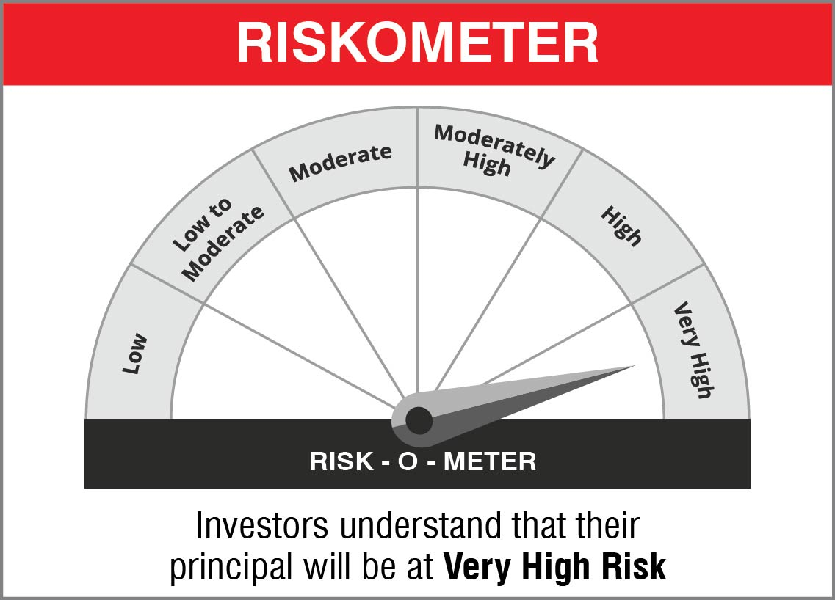
 |  | NJ Balanced Advantage Fund
 |  | This product is suitable for investors who are seeking*:
 |  | • Long term capital Growth • Dynamic asset allocation between equity and specified debt securities *Investors should consult their financial advisors if in doubt about whether the product is suitable for them.

 |  | Name of the Benchmark and its risk-o-meter:
 |  | NIFTY 50 Hybrid Composite Debt 50:50 Index | 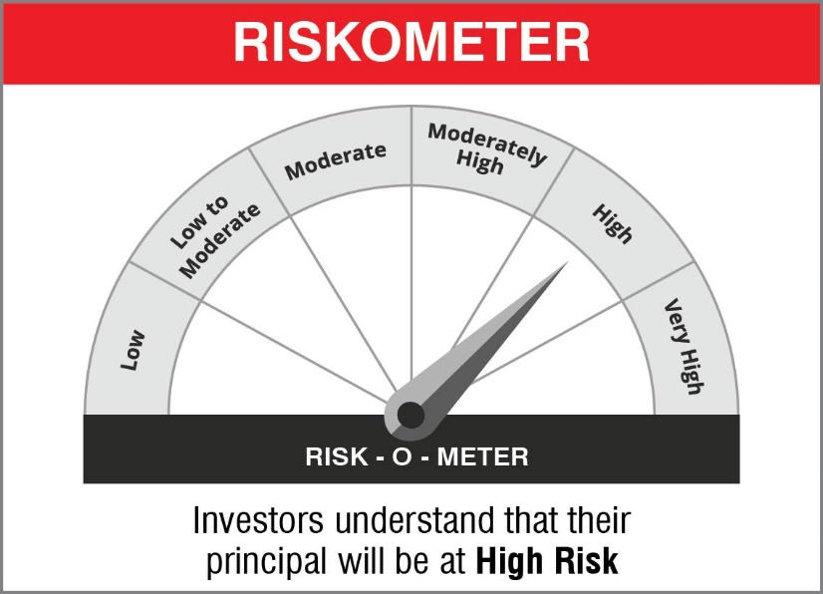

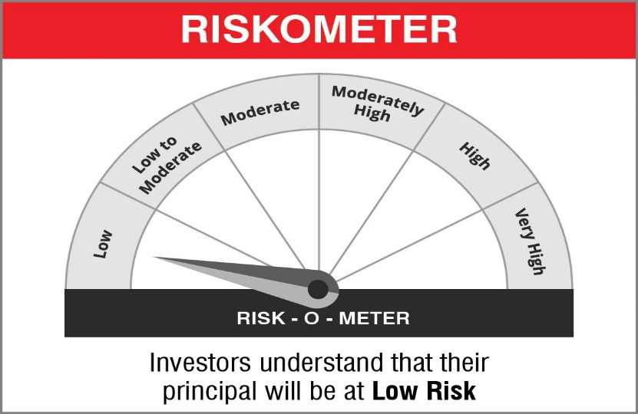
 |  | NJ Arbitrage Fund
 |  | This product is suitable for investors who are seeking*:
 |  | - To generate income by investing in arbitrage opportunities - Predominantly investing in arbitrage opportunities in the cash and derivatives segment of the equity market. *Investors should consult their financial advisors if in doubt about whether the product is suitable for them.

 |  | Name of the Benchmark and its risk-o-meter:
 |  | NIFTY 50 Arbitrage Index

 |  | NJ Overnight Fund
 |  | This product is suitable for investors who are seeking*:
 |  | - An overnight fund that aims to generate optimal returns in line with overnight rates and high liquidity - To invest in debt and money market instruments with maturity of 1 day *Investors should consult their financial advisors if in doubt about whether the product is suitable for them.

 |  | Name of the Benchmark and its risk-o-meter:
 |  | NIFTY 1D Rate Index

 |  | 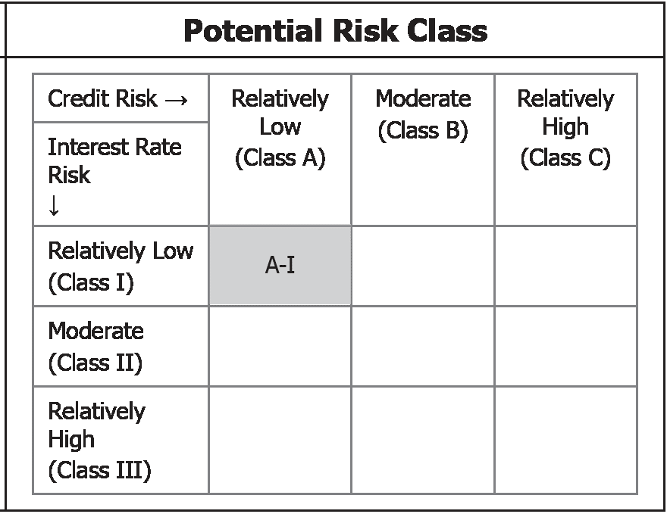 | A Relatively Low Interest Rate Risk and Relatively Low Credit Risk

